Purchase_Order

Defect_ Id | Date | Status | Project Name | Module Name | Sub - Module Name | Severity | Priority | Type | Phase | Summary | Steps to Reproduce | Test Data | Expected Result | Actual Result | Reported By | Assigned to | Screen Shots
D_001 | 23th May 2021 | New | Front Accounting | Purchase | Purchase Quotation Entry | High |  | Functional | System Testing | While creating Purchase, Error message as "Reference number is already in use" is displayed | Select the Supplier | Tulip System | Data should be displayed in Supplier text field | Data is displayed in Supplier text field | Miss. Pallavi Natle
 |  |  |  |  |  |  |  |  |  |  | Select Receive Into | Pune - Karve Road - Godown | Data should be displayed in Receive Into text field | Data is displayed in Receive Into text field
 |  |  |  |  |  |  |  |  |  |  | Enter Deliver To | Mr. Sameer - Karve Road,Pune | Data should be displayed in Deliver To text field | Data is displayed in Deliver To text field
 |  |  |  |  |  |  |  |  |  |  | Select the Item | Apple MacBook Air Core i5 | Data should be displayed in Item text field | Data is displayed in Item text field
 |  |  |  |  |  |  |  |  |  |  | Enter the Quantity | 1 | Data should be displayed in Quantity text field | Data is displayed in Quantity text field
 |  |  |  |  |  |  |  |  |  |  | Select Required Delivery Date | 2021-05-31 | Data should be displayed in Required Delivery Date text field | Data is displayed in Required Delivery Date text field
 |  |  |  |  |  |  |  |  |  |  | Click on Add Item button |  | Item should be added | Item is added
 |  |  |  |  |  |  |  |  |  |  | Enter Memo | PO for Apple MacBook | Data should be displayed in Memo text field | Data is displayed in Memo text field
 |  |  |  |  |  |  |  |  |  |  | Click on Place Order button |  | Notification as "Order is created successfully" should be displayed. Order should be created successfully and Purcase Order no. should be provided | Error message as "Reference number is already in use" is displayed. Purchase Order is not created.

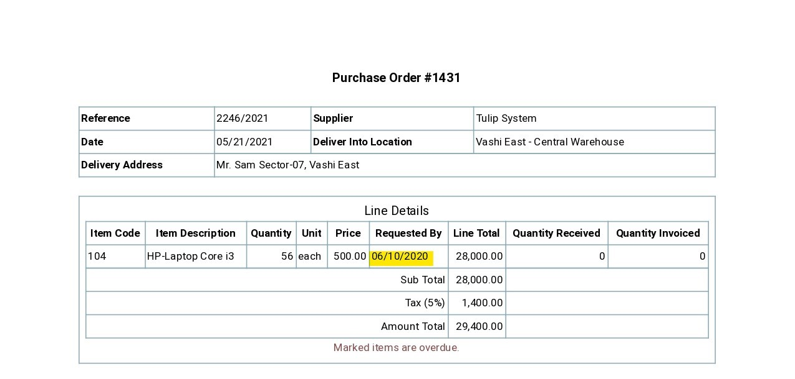
D_002 | 23th May 2021 | New | Front Accounting | Purchase | Purchase Order Entry | High |  | Functional | System Testing | While creating Purchase Order with invalid delivery date, Purchase Order is created successfully | Select the Supplier | Tulip System | Data should be displayed in Supplier text field | Data is displayed in Supplier text field | Miss. Pallavi Natle
 |  |  |  |  |  |  |  |  |  |  | Select Receive Into | Vashi East Central Warehouse | Data should be displayed in Receive Into text field | Data is displayed in Receive Into text field
 |  |  |  |  |  |  |  |  |  |  | Enter Deliver To | Mr. Sam Sector - 07, Vashi East | Data should be displayed in Deliver To text field | Data is displayed in Deliver To text field
 |  |  |  |  |  |  |  |  |  |  | Select the Item | HP Laptop Core i3 | Data should be displayed in Item text field | Data is displayed in Item text field
 |  |  |  |  |  |  |  |  |  |  | Enter the Quantity | 56 | Data should be displayed in Quantity text field | Data is displayed in Quantity text field
 |  |  |  |  |  |  |  |  |  |  | Select Required Delivery Date | 2020-06-10 | Data should be displayed in Required Delivery Date text field | Data is displayed in Required Delivery Date text field
 |  |  |  |  |  |  |  |  |  |  | Click on Add Item button |  | Error message as "Please enter invalid date in Required Delivery date text field" should be displayed. Item should not be added | Error message is not displayed. Item is successfully added
 |  |  |  |  |  |  |  |  |  |  | Click on Place Order button |  | Error message should be displayed. Order should not be placed | Error message is not displayed. Order is placed

D_003 | 23th May 2021 | New | Front Accounting | Purchase | Purchase Quotation Entry | High |  | Functional | System Testing | After creating Purchase Order successfully, Purchase Order no. is not provided | Select the Supplier | Tulip System | Data should be displayed in Supplier text field | Data is displayed in Supplier text field | Miss. Pallavi Natle |  | For Purchase Order no = 1422
 |  |  |  |  |  |  |  |  |  |  | Select Receive Into | Pune - Karve Road - Godown | Data should be displayed in Receive Into text field | Data is displayed in Receive Into text field
 |  |  |  |  |  |  |  |  |  |  | Enter Deliver To | Mr. Sameer - Karve Road,Pune | Data should be displayed in Deliver To text field | Data is displayed in Deliver To text field
 |  |  |  |  |  |  |  |  |  |  | Select the Item | Apple MacBook Air Core i5 | Data should be displayed in Item text field | Data is displayed in Item text field
 |  |  |  |  |  |  |  |  |  |  | Enter the Quantity | 1 | Data should be displayed in Quantity text field | Data is displayed in Quantity text field
 |  |  |  |  |  |  |  |  |  |  | Select Required Delivery Date | 2021-05-31 | Data should be displayed in Required Delivery Date text field | Data is displayed in Required Delivery Date text field
 |  |  |  |  |  |  |  |  |  |  | Click on Add Item button |  | Item should be added | Item is added
 |  |  |  |  |  |  |  |  |  |  | Enter Memo | PO for Apple MacBook | Data should be displayed in Memo text field | Data is displayed in Memo text field
 |  |  |  |  |  |  |  |  |  |  | Click on Place Order button |  | Notification as "Order is created successfully" should be displayed. Order should be created successfully and Purcase Order no. should be provided | Notification as "Puchase Order has been entered" is displayed. Puchase Order has been entered and Purcase Order no. is not provided

D_004 | 24th May 2021 | New | Front Accounting | Purchase | Purchase Orders Inquiry | High |  | Functional | System Testing | While searching Purchase Order for Delivery Entry using Purchase Order no., Purchase Order is not found. | Enter Purchase Order no. | 1549 | Data should be displayed in # text field | Date is displayed in # text field | Miss. Pallavi Natle
 |  |  |  |  |  |  |  |  |  |  | Click on Search Button |  | Purchase Order entry for Purchase Order no. should be displayed | Purchase Order entry for Purchase Order no. is not displayed

D_005 | 24th May 2021 | New | Front Accounting | Purchase | Outsatnding Purchase Orders Maintenance | High |  | Functional | System Testing | While searching Purchase Order for Delivery Entry using Purchase Order no., Purchase Order is not found. | Enter Purchase Order no. | 1549 | Data should be displayed in # text field | Date is displayed in # text field | Miss. Pallavi Natle
 |  |  |  |  |  |  |  |  |  |  | Click on Search Button |  | Purchase Order entry for Purchase Order no. should be displayed | Purchase Order entry for Purchase Order no. is not displayed

Supplier_Invoice
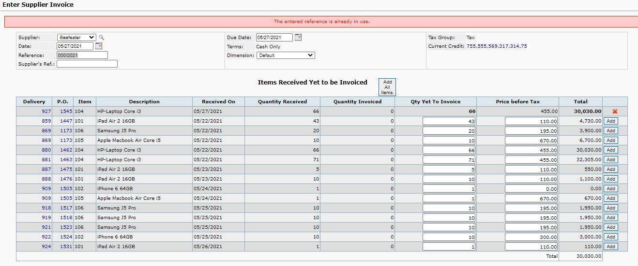
Defect_ Id | Date | Status | Project Name | Module Name | Sub - Module Name | Severity | Priority | Type | Phase | Summary | Steps to Reproduce | Test Data | Expected Result | Actual Result | Reported By | Assigned to | Screen shots
D_001 | 23th May 2021 | New | Front Accounting | Purchase | Supplier Invoice | High |  | Functional | System Testing | While issuing Supplier Invoice Error message as "Reference number is already in use" is displayed | Select the Supplier | Beefeater | Data should be display in Supplier text field | Data is display in Supplier text field | Miss. Pallavi Natle |  | For PO delivery no = 854
 |  |  |  |  |  |  |  |  |  |  | Click on Add button |  | Calculation should be displayed | Calculation is displayed
 |  |  |  |  |  |  |  |  |  |  | Click on Enter Invoice button |  | Notification as "Invoice has been created successfully should be displayed and Invoice should be created successfully and Invoice no. should be provided | Error message as "Reference number is already in use" is displayed. Supplier Invoice is not created.

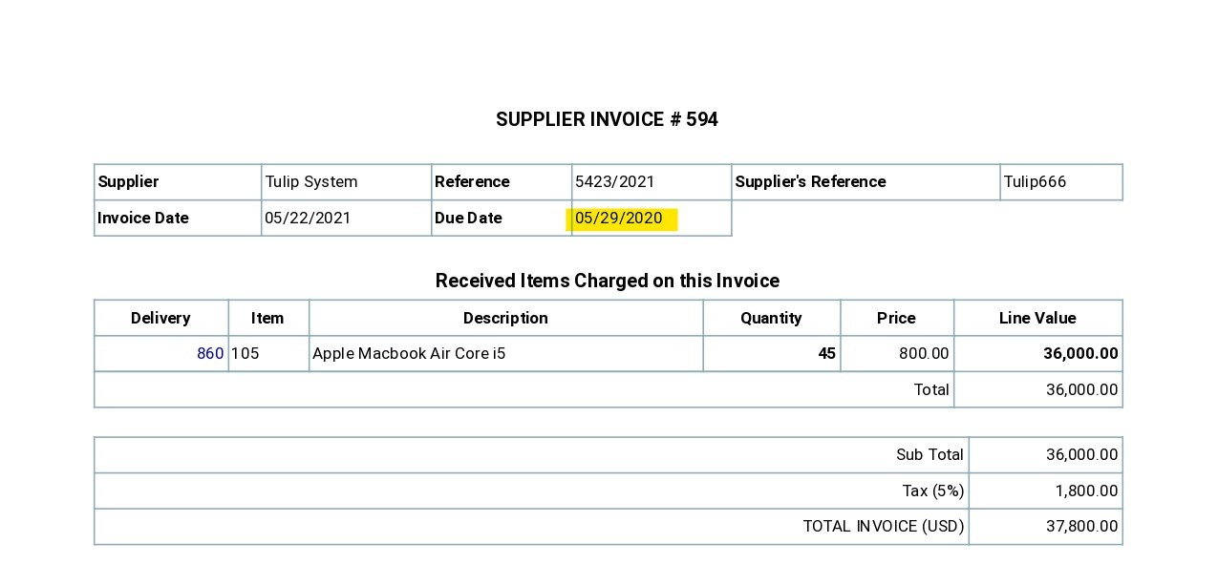
D_002 | 23th May 2021 | New | Front Accounting | Purchase | Supplier Invoice | High |  | Functional | System Testing | While issuing Suppiler Invoice with invalid Due date, Invoice is created successfully | Select the Supplier | Tulip System | Data should be display in Supplier text field | Data is display in Supplier text field | Miss. Pallavi Natle |  | For PO delivery no = 860
 |  |  |  |  |  |  |  |  |  |  | Select Due date | 2020-05-29 | Data should be display in Due date text field | Data is display in Due date text field
 |  |  |  |  |  |  |  |  |  |  | Enter Qty yet to Invoice | 45 | Data should be display in Qty yet to invoice text field | Data is display in Qty yet to invoice text field
 |  |  |  |  |  |  |  |  |  |  | Click on Add button |  | Calculation should be displayed | Calculation is displayed
 |  |  |  |  |  |  |  |  |  |  | Click on Enter Invoice button |  | Error message as "Invalid due date. Please select valid Invoice due date" should be displayed. Invoice should nor created. | Confirmation message as "Invoice created successfully"is displayed and Invoice is created.

D_003 | 23th May 2021 | New | Front Accounting | Purchase | Supplier Invoice | High |  | Functional | System Testing | After issuing Suppiler Invoice, Invoice number is not displayed | Select the Supplier | Beefeater | Data should be display in Supplier text field | Data is display in Supplier text field | Miss. Pallavi Natle |  | For PO delivery no = 854
 |  |  |  |  |  |  |  |  |  |  | Click on Add button |  | Calculation should be displayed | Calculation is displayed
 |  |  |  |  |  |  |  |  |  |  | Click on Enter Invoice button |  | Notification as "Invoice has been created successfully should be displayed and Invoice should be created successfully and Invoice no. should be provided | Error message as "Reference number is already in use" is displayed. Supplier Invoice is not created.

Supplier_Payment
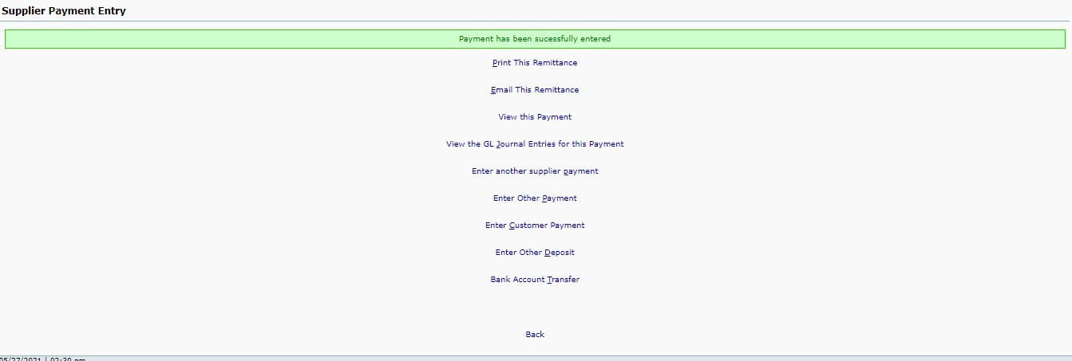
Defect_ Id | Date | Status | Project Name | Module Name | Sub - Module Name | Severity | Priority | Type | Phase | Summary | Steps to Reproduce | Test Data | Expected Result | Actual Result | Reported By | Assigned to | Screen shots
D_001 | 23th May 2021 | New | Front Accounting | Purchase | Supplier_Payment | High |  | Functional | System Testing | After creating Supplier Payment entry sucessfully, Payment to Supplier no. is not provided | Select the Supplier | Tulip System | Data should be display in Payment To text field | Data is display in Payment To text field | Miss. Pallavi Natle |  | For Supplier Invoice no = 608
 |  |  |  |  |  |  |  |  |  |  | Enter the Amount of Payment | 52,080.00 | Data should be display in Amount of Payment text field | Data is display in Amount of Payment text field
 |  |  |  |  |  |  |  |  |  |  | Click on Enter Payment button |  | Notification as "Payment is created successfully" should be displayed. Payment entry should be created successfully and Payment no. should be provided | Notification as "Payment has been entered successfully" is displayed. Payment entry is created successfully and Payment no. is not provided

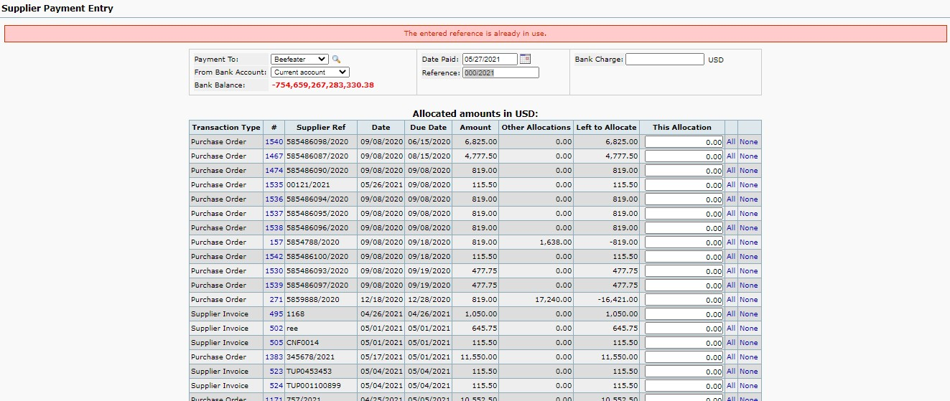
D_002 | 23th May 2021 | New | Front Accounting | Purchase | Supplier_Payment | High |  | Functional | System Testing | While creating Supplier Payment entry, , Error message as "Reference number is already in use" is displayed | Select the Supplier | Tulip System | Data should be display in Payment To text field | Data is display in Payment To text field | Miss. Pallavi Natle
 |  |  |  |  |  |  |  |  |  |  | Enter the Amount of Payment | 52,080.00 | Data should be display in Amount of Payment text field | Data is display in Amount of Payment text field
 |  |  |  |  |  |  |  |  |  |  | Click on Enter Payment button |  | Notification as "Payment is created successfully" should be displayed. Payment entry should be created successfully and Payment no. should be provided | Error message as "Reference number is already in use" is displayed. Supplier payment is not created.

